Pivot Table 1
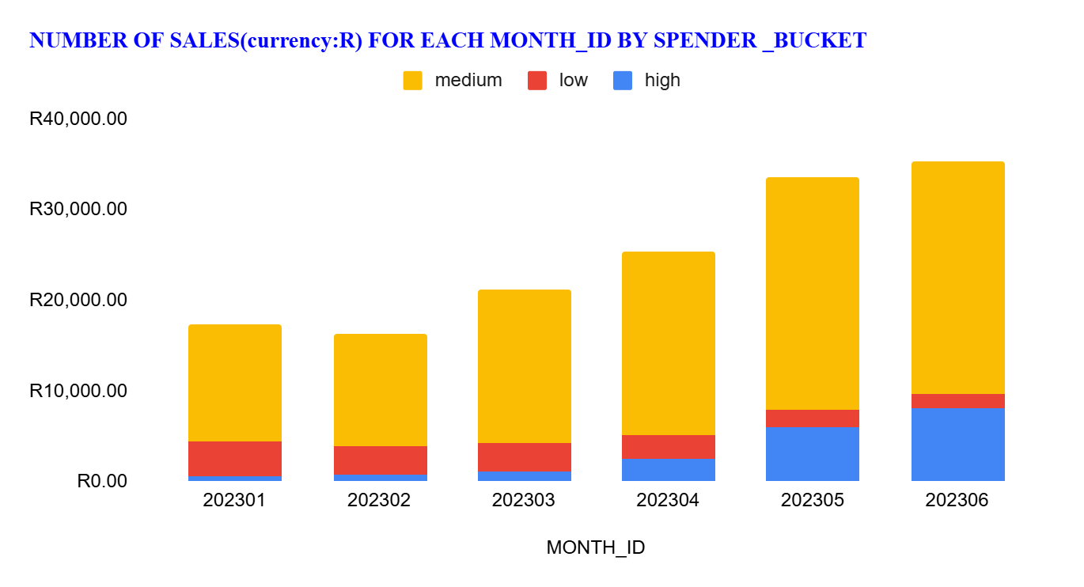
SUM of NUMBER_OF_SALES | SPENDER_BUCKET
MONTH_ID | high | low | medium | Grand Total
R202,301.00 | R622.00 | R3,781.00 | R12,911.00 | R17,314.00
R202,302.00 | R692.00 | R3,246.00 | R12,421.00 | R16,359.00
R202,303.00 | R1,118.00 | R3,170.00 | R16,941.00 | R21,229.00
R202,304.00 | R2,567.00 | R2,489.00 | R20,279.00 | R25,335.00
R202,305.00 | R6,056.00 | R1,910.00 | R25,561.00 | R33,527.00
R202,306.00 | R8,046.00 | R1,608.00 | R25,698.00 | R35,352.00
Grand Total | R19,101.00 | R16,204.00 | R113,811.00 | R149,116.00

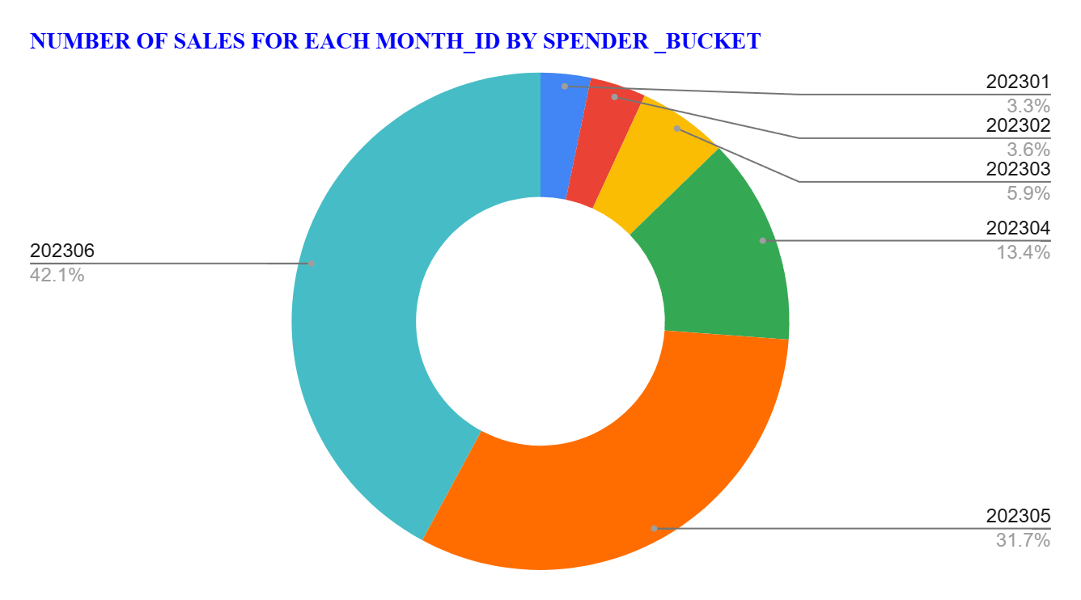

SUM of NUMBER_OF_SALES | SPENDER_BUCKET
MONTH_ID | high | low | medium | Grand Total
202301 | R622.00 | R3,781.00 | R12,911.00 | R17,314.00
202302 | R692.00 | R3,246.00 | R12,421.00 | R16,359.00
202303 | R1,118.00 | R3,170.00 | R16,941.00 | R21,229.00
202304 | R2,567.00 | R2,489.00 | R20,279.00 | R25,335.00
202305 | R6,056.00 | R1,910.00 | R25,561.00 | R33,527.00
202306 | R8,046.00 | R1,608.00 | R25,698.00 | R35,352.00
Grand Total | 19101 | 16204 | 113811 | 149116

Pivot Table 2
SUM of NUMBER_OF_SALES |  | SPENDER_BUCKET
PRODUCT_CATEGORY | PRODUCT_TYPE | high | low | medium | Grand Total
Bakery | Biscotti | R635.00 | R1,119.00 | R3,957.00 | R5,711.00
 | Pastry | R632.00 | R689.00 | R5,591.00 | R6,912.00
 | Scone | R150.00 | R2,015.00 | R8,008.00 | R10,173.00
Bakery Total |  | R1,417.00 | R3,823.00 | R17,556.00 | R22,796.00
Branded | Clothing | R154.00 |  | R67.00 | R221.00
 | Housewares | R89.00 |  | R437.00 | R526.00
Branded Total |  | R243.00 |  | R504.00 | R747.00
Coffee | Barista Espresso | R4,132.00 | R424.00 | R11,847.00 | R16,403.00
 | Drip coffee | R382.00 | R855.00 | R7,240.00 | R8,477.00
 | Gourmet brewed coffee | R1,665.00 | R1,403.00 | R13,844.00 | R16,912.00
 | Organic brewed coffee | R887.00 | R413.00 | R7,189.00 | R8,489.00
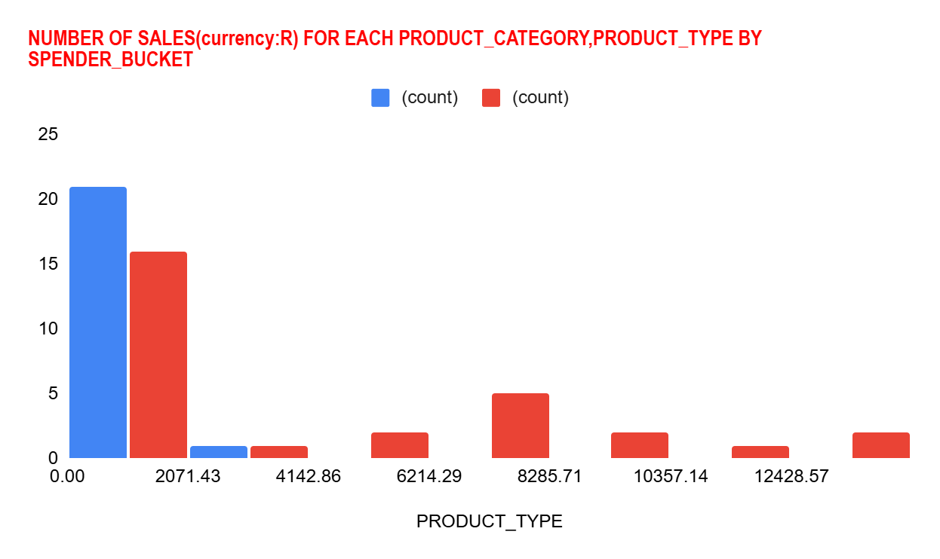
 | Premium brewed coffee | R1,274.00 | R552.00 | R6,309.00 | R8,135.00
Coffee Total |  | R8,340.00 | R3,647.00 | R46,429.00 | R58,416.00
Coffee beans | Espresso Beans | R7.00 |  | R312.00 | R319.00
 | Gourmet Beans | R37.00 |  | R329.00 | R366.00
 | Green beans |  | R91.00 | R43.00 | R134.00
 | House blend Beans | R15.00 |  | R168.00 | R183.00
 | Organic Beans | R92.00 |  | R323.00 | R415.00
 | Premium Beans | R101.00 |  | R235.00 | R336.00
Coffee beans Total |  | R252.00 | R91.00 | R1,410.00 | R1,753.00
Drinking Chocolate | Hot chocolate | R4,121.00 | R201.00 | R7,146.00 | R11,468.00
Drinking Chocolate Total |  | R4,121.00 | R201.00 | R7,146.00 | R11,468.00
Flavours | Regular syrup | R325.00 | R3,487.00 | R1,167.00 | R4,979.00
 | Sugar free syrup | R80.00 | R1,106.00 | R625.00 | R1,811.00
Flavours Total |  | R405.00 | R4,593.00 | R1,792.00 | R6,790.00
Loose Tea | Black tea |  | R183.00 | R120.00 | R303.00
 | Chai tea | R91.00 | R192.00 | R160.00 | R443.00
 | Green tea |  | R96.00 | R63.00 | R159.00
 | Herbal tea |  | R164.00 | R141.00 | R305.00
Loose Tea Total |  | R91.00 | R635.00 | R484.00 | R1,210.00
Packaged Chocolate | Drinking Chocolate |  | R71.00 | R195.00 | R266.00
 | Organic Chocolate |  | R138.00 | R83.00 | R221.00
Packaged Chocolate Total |  |  | R209.00 | R278.00 | R487.00
Tea | Brewed Black tea | R936.00 | R860.00 | R9,554.00 | R11,350.00
 | Brewed Chai tea | R2,095.00 | R960.00 | R14,128.00 | R17,183.00
 | Brewed Green tea | R351.00 | R410.00 | R4,910.00 | R5,671.00
 | Brewed herbal tea | R850.00 | R775.00 | R9,620.00 | R11,245.00
Tea Total |  | R4,232.00 | R3,005.00 | R38,212.00 | R45,449.00
Grand Total |  | R19,101.00 | R16,204.00 | R113,811.00 | R149,116.00

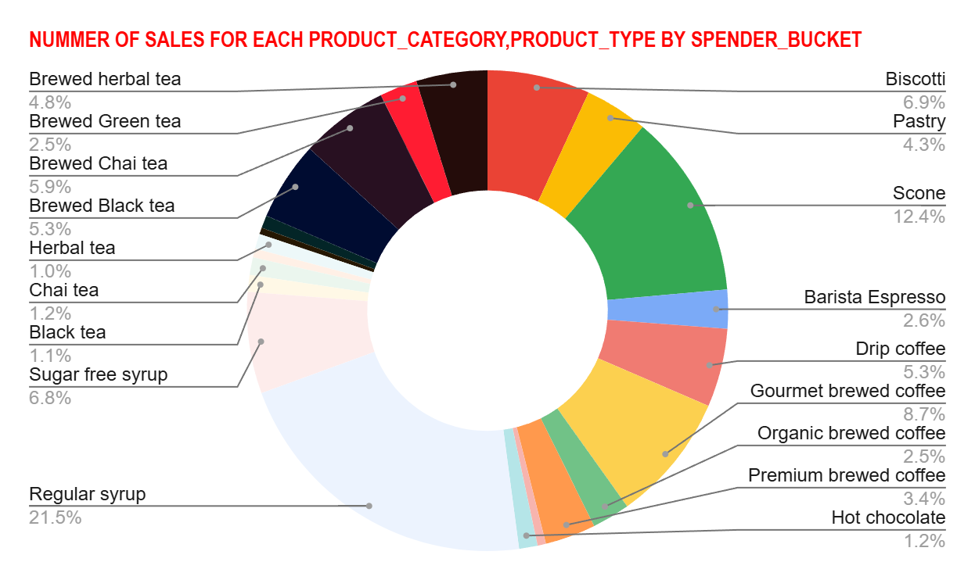
SUM of NUMBER_OF_SALES |  | SPENDER_BUCKET
PRODUCT_CATEGORY | PRODUCT_TYPE | high | low | medium | Grand Total
Bakery | Biscotti | R635.00 | R1,119.00 | R3,957.00 | R5,711.00
 | Pastry | R632.00 | R689.00 | R5,591.00 | R6,912.00
 | Scone | R150.00 | R2,015.00 | R8,008.00 | R10,173.00
Bakery Total |  | R1,417.00 | R3,823.00 | R17,556.00 | R22,796.00
Branded | Clothing | R154.00 |  | R67.00 | R221.00
 | Housewares | R89.00 |  | R437.00 | R526.00
Branded Total |  | R243.00 |  | R504.00 | R747.00
Coffee | Barista Espresso | R4,132.00 | R424.00 | R11,847.00 | R16,403.00
 | Drip coffee | R382.00 | R855.00 | R7,240.00 | R8,477.00
 | Gourmet brewed coffee | R1,665.00 | R1,403.00 | R13,844.00 | R16,912.00
 | Organic brewed coffee | R887.00 | R413.00 | R7,189.00 | R8,489.00
 | Premium brewed coffee | R1,274.00 | R552.00 | R6,309.00 | R8,135.00
Coffee Total |  | R8,340.00 | R3,647.00 | R46,429.00 | R58,416.00
Coffee beans | Espresso Beans | R7.00 |  | R312.00 | R319.00
 | Gourmet Beans | R37.00 |  | R329.00 | R366.00
 | Green beans |  | R91.00 | R43.00 | R134.00
 | House blend Beans | R15.00 |  | R168.00 | R183.00
 | Organic Beans | R92.00 |  | R323.00 | R415.00
 | Premium Beans | R101.00 |  | R235.00 | R336.00
Coffee beans Total |  | R252.00 | R91.00 | R1,410.00 | R1,753.00
Drinking Chocolate | Hot chocolate | R4,121.00 | R201.00 | R7,146.00 | R11,468.00
Drinking Chocolate Total |  | R4,121.00 | R201.00 | R7,146.00 | R11,468.00
Flavours | Regular syrup | R325.00 | R3,487.00 | R1,167.00 | R4,979.00
 | Sugar free syrup | R80.00 | R1,106.00 | R625.00 | R1,811.00
Flavours Total |  | R405.00 | R4,593.00 | R1,792.00 | R6,790.00
Loose Tea | Black tea |  | R183.00 | R120.00 | R303.00
 | Chai tea | R91.00 | R192.00 | R160.00 | R443.00
 | Green tea |  | R96.00 | R63.00 | R159.00
 | Herbal tea |  | R164.00 | R141.00 | R305.00
Loose Tea Total |  | R91.00 | R635.00 | R484.00 | R1,210.00
Packaged Chocolate | Drinking Chocolate |  | R71.00 | R195.00 | R266.00
 | Organic Chocolate |  | R138.00 | R83.00 | R221.00
Packaged Chocolate Total |  |  | R209.00 | R278.00 | R487.00
Tea | Brewed Black tea | R936.00 | R860.00 | R9,554.00 | R11,350.00
 | Brewed Chai tea | R2,095.00 | R960.00 | R14,128.00 | R17,183.00
 | Brewed Green tea | R351.00 | R410.00 | R4,910.00 | R5,671.00
 | Brewed herbal tea | R850.00 | R775.00 | R9,620.00 | R11,245.00
Tea Total |  | R4,232.00 | R3,005.00 | R38,212.00 | R45,449.00
Grand Total |  | R19,101.00 | R16,204.00 | R113,811.00 | R149,116.00

